IncExp Balance Sheet
NOTTINGHAMSHIRE WILDLIFE TRUST - SOUTH NOTTS GROUP
Income Expenditure 1st April 2017 - 31st March 2018

INCOME |  |  | EXPENDITURE
 | 2017-18 | 2016-17 |  | 2017-18 | 2016-17
Talks (takings) | 219.00 | 353.60 | Talks (Speakers/Rooms) | 291.50 | 327.58
Donations | 155.00 | 79.86 | Admin | 0.00 | 0.00
Spring Fair | 1388.61 | 1282.08 | Spring Fair | 85.10 | 83.50
Spring Fair floats | 200.00 | 200.00 | Spring Fair floats | 200.00 | 200.00
Grants |  | 200.00 | Miscellaneous | 226.32
Knitted Badgers | 58.40 | 163.24 | Events | 40.00 | 10.00
Collecting box |  | 16.04 | NWT Donation | 1250.00 | 1500.00
Quiz sheets | 19.00 | 43.00 | Quiz sheets | 25.00 | 25.00
Quiz night | 391.50 |  | Quiz night | 0.00 | 0.00
Knitted Bumblebees | 211.62 |  | Equipment | 83.16 | 37.80
Reserves funding |  |  | Reserves funding | 33.28 | 217.85
 |  |  | AGM | 31.50 | 31.50
 |  |  | Wilwell / Wilford Grant |  | 5646.17

Total | 2643.13 | 2337.82 | Total | 2265.86 | 8079.40

SURPLUS FOR YEAR | 377.27

Bank Reconciliation
Opening Balance 1/4/17 | 926.81
Plus Credits | 2643.13
Less debits | 2265.86
2018-02-28 | 1304.08

BALANCE SHEET AS AT 31/03/18

Balance at bank | 1304.08 |  | Balance b/fwd | 926.81
 |  |  | Profit/ Loss for year | 377.27
 | 1304.08 |  |  | 1304.08

Notes
Income
Money from collecting box included in donations
Expenditure
Miscellaneous comprises £191.34 paid to NWT for badgers and £34.98 for Wilwell Book

Signed
Treasurer |  |  | Dated

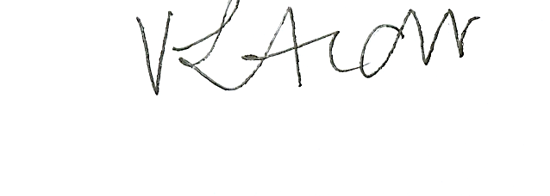
 |  |  | 5th April 2018

